Sheet1
UNCODED SYSTEM |  |  |  |  | CODED SYSTEM
DATA | ERROR VECTOR | CORRUPTED DATA | RECEIVED DATA | BER | DATA | ERROR VECTOR | CORRUPTED DATA | DECODED DATA | BER
1 | 1 | 0 | 0 | 0.75 | 1 | 1 | 1 | 1 | 0.5833
1 | 1 | 1 | 1 | 9 | 0 | 1 | 0 | 1 | 7
0 | 0 | 1 | 1 | 12 | 1 | 0 | 1 | 0 | 12
0 | 0 | 0 | 0 |  | 0 | 0 | 1 | 1
1 | 1 | 0 | 0 |  | 1 | 1 | 1 | 0
1 | 1 | 0 | 0 |  | 1 | 1 | 0 | 1
1 | 1 | 1 | 1 |  | 0 | 1 | 1 | 0
1 | 1 | 1 | 1 |  | 0 | 1 | 1 | 0
1 | 1 | 0 | 0 |  | 1 | 1 | 0 | 0
1 | 1 | 1 | 1 |  | 0 | 1 | 1 | 1
1 | 1 | 0 | 0 |  | 1 | 1 | 0 | 0
0 | 0 | 1 | 1 |  | 1 | 0 | 1 | 1
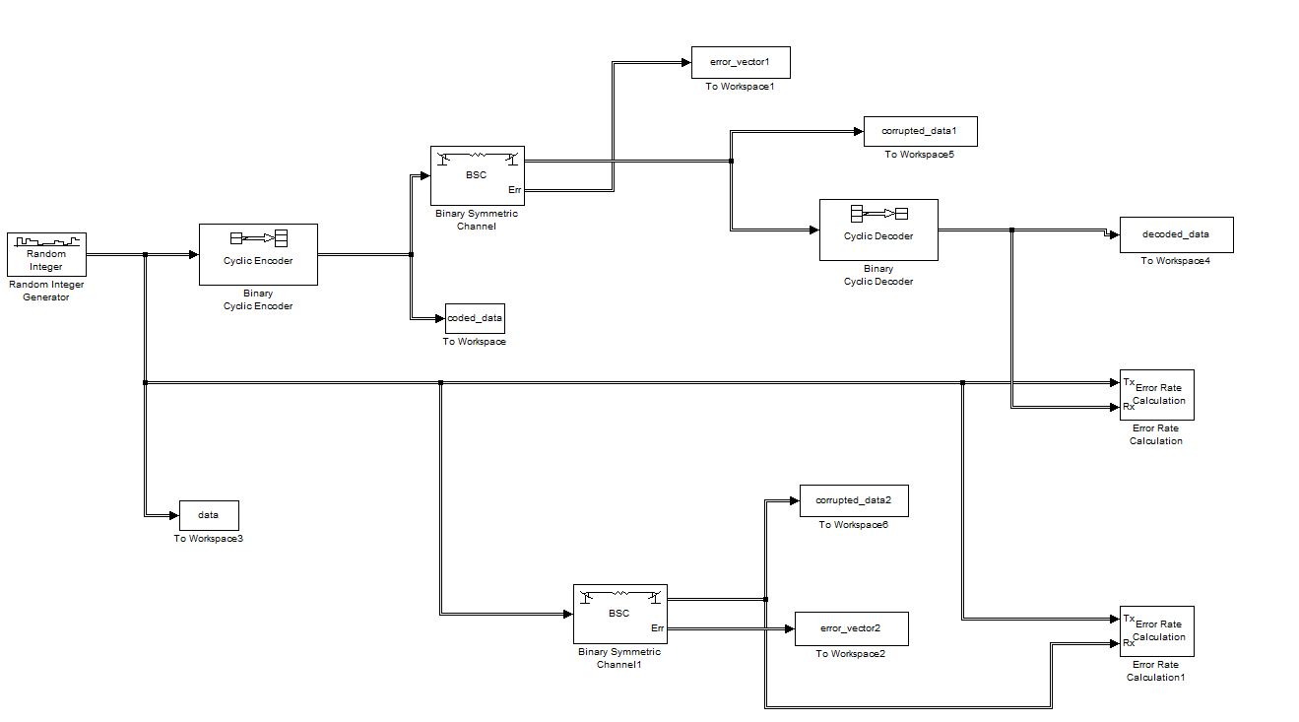
 |  |  |  |  |  | 0 | 0
 |  |  |  |  |  | 0 | 0
 |  |  |  |  |  | 1 | 1
 |  |  |  |  |  | 0 | 0
 |  |  |  |  |  | 0 | 0
 |  |  |  |  |  | 1 | 0
 |  |  |  |  |  | 1 | 1
 |  |  |  |  |  | 1 | 0
 |  |  |  |  |  | 0 | 1

